Sheet1
Sign-on Terminal -> Central

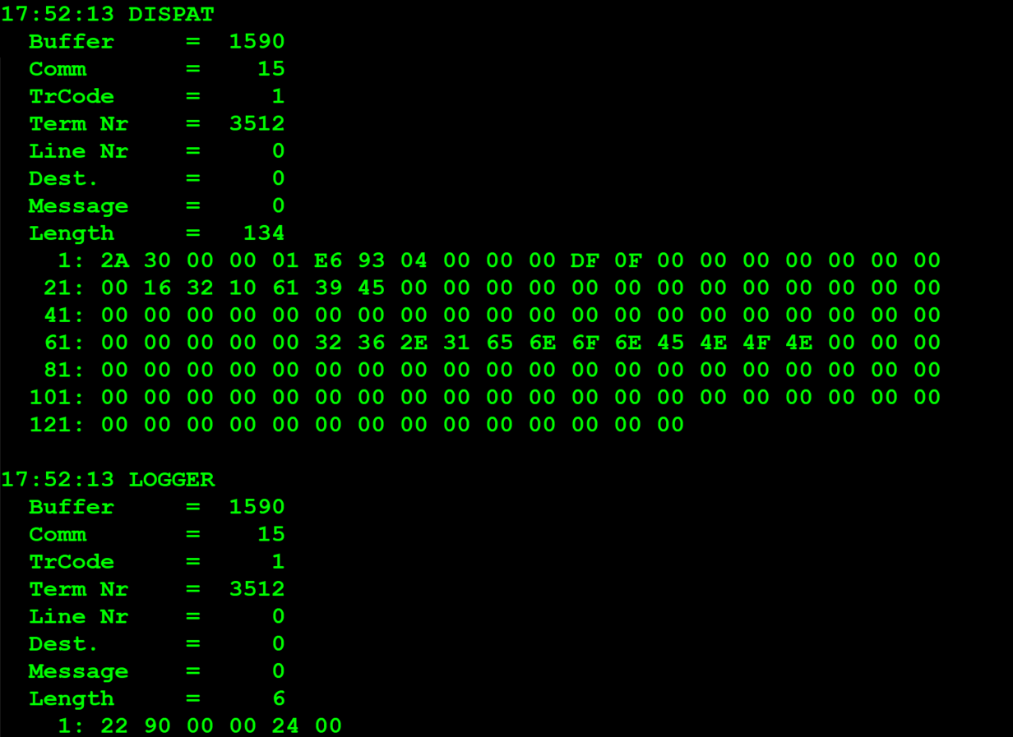
TestByte |  | Size | Field Contents |  | Hexadecimal | Binario | Decimal
Start | End
1 | 1 | 1 | Control | Sequence | 2A | Control=0010 -> Application Message Sequence=1010 | 42
2 | 2 | 1 | Type = 3 | Subtype = 0 | 30 | Type=0011 SubType=0000 | Type=3 SubType=0
3 | 4 | 2 | Checksum |  | 0 | 0 | 0
5 | 5 | 1 | Statistics (see below) |  | 01 | 1 | 1
6 | 9 | 4 | Agent Number |  | 00 04 93 E6 | 01001001001111100110 | 300006
10 | 11 | 2 | Agent Pass Number |  | 00 00
12 | 13 | 2 | Terminal Pass Number |  | 0F DF |  | 4063
14 | 21 | 8 | Terminal Hardware ID
22 | 29 | 8 | Printer Hardware ID
30 | 37 | 8 | Reader Hardware ID
38 | 45 | 8 | Unused Hardware ID
46 | 53 | 8 | Unused Hardware ID
54 | 61 | 8 | Unused Hardware ID
62 | 65 | 4 | CPU ROM Revision
66 | 69 | 4 | Printer ROM Revision
70 | 73 | 4 | Reader ROM Revision
74 | 77 | 4 | Terminal Well-Board ID
78 | 81 | 4 | Unused ROM revision
82 | 85 | 4 | Unused ROM Revision
86 | 89 | 4 | Unused ROM Revision
90 | 93 | 4 | Unused ROM Revision
94 | 97 | 4 | Unused ROM Revision
98 | 101 | 4 | Unused ROM Revision
102 | 105 | 4 | Unused ROM Revision
106 | 109 | 4 | Unused ROM Revision

1.1 Error Central Terminal

TestByte |  | Size | Field Contents |  | Hexadecimal | Binario | Decimal
Start | End
1 | 1 | 1 | Control | Sequence | 22
2 | 2 | 1 | Type = 9 | Subtype = 0 | 90 | Type=1001 Subtype=0000 | Type=9 Subtype=0
3 | 4 | 2 | Checksum |  | 00 00 | 0 | 0
5 | 5 | 1 | Error Number (see below) |  | 24 | 00100100 | 36 | Invalid Agent Or Password In Sign On

Values: |  | Description
1 = |  | Invalid
2 = |  | Syntax Error
3 = |  | Function Suppressed
4 = |  | Not Signed On
5 = |  | System Dormant
6 = |  | Drawing Break
7 = |  | Liability Limit Exceeded
8 = |  | Non-drawing Day
9 = |  | DES Encryption Error
10 = |  | Results Not In
11 = |  | Invalid Terminal Number
12 = |  | Security Violation (>10 sign-on)
13 = |  | Bad Checksum
14 = |  | Bad Game Status
15 = |  | Retry Transaction
18 = |  | Game Revision Error
19 = |  | Can Not Fraction Ticket
20 = |  | Already Fractioned
21 = |  | Unfractioned
22 = |  | Card Present (Pass # mismatch)
23 = |  | No Card Present at SON (Do not SON)
25 = |  | Sports, Wrong number of marks with an event cancelled
26 = |  | Sports, The full draw has been cancelled.
31 = |  | Combination Closed
32 = |  | Odds exceeded
36 = |  | Invalid Agent Or Password In Sign On
37 = |  | Not available passive number found
38 = |  | Passive IO error
39 = |  | Blocked NIF

5.2 Sign-on Central -> Terminal

TestByte |  | Size | Field Contents |  | Hexadecimal | Binario | Decimal
Start | End
1 | 1 | 1 | Control | Sequence | 2A
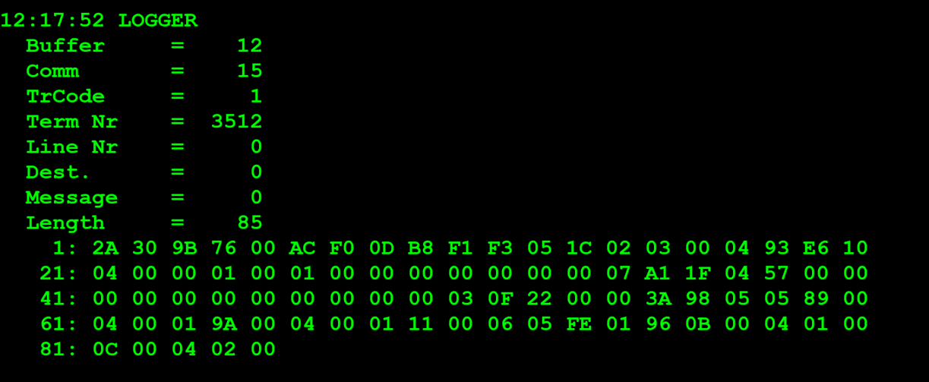
2 | 2 | 1 | Type = 3 | Subtype = 0 | 30 | Type=0011 Sutype=0000 | Type=3 Sutype=0
3 | 4 | 2 | Checksum |  | 9B 76
5 | 7 | 3 | Time |  | 00 AC F0 |  | 44272 Result: 12:17:52.
8 | 9 | 2 | Terminal Number |  | 0D B8 |  | 3512
10 | 11 | 2 | Application Revision |  | F1 F3 | 1111000111110011 | 61939
12 | 12 | 1 | Sign-on Count |  | 05 | 0101 | 5
13 | 14 | 2 | CDC Date |  | 1C 02 | 0001110000000010 | 7170
15 | 15 | 1 | Current Day of the Week (1=Mon, 2=Tues, etc.) |  | 03 | 11 | 3
16 | 19 | 4 | Agent Number |  | 00 04 93 E6 | 01001001001111100110 | 300006
20 | 20 | 1 | Clerk ID | Terminal Language | 10 | Clerk ID=0001 Terminal Language=0000 | Clerk ID=1 Terminal Language=0
21 | 22 | 2 | Terminal Option Flags (see note) |  | 04 00 | 0100 0000 0000 | 1024 | x0400 | = | Display Bet Details on Reprint
23 | 24 | 2 | Wager Units |  | 00 01
25 | 26 | 2 | Validation Units (online only) |  | 00 01
27 | 28 | 2 | CDU text revision |  | 00 00
29 | 32 | 4 | Red Min |  | 00 00 00 00 | 0 | 0
33 | 36 | 4 | Red Max |  | 00 07 A1 1F | 01111010000100011111 | 499999
37 | 38 | 2 | Second Teller Password |  | 04 57 | 010001010111 | 1111
39 | 40 | 2 | Not used |  | 00 00 | 0 | 0
41 | 48 | 8 | Not used |  | 00 00 00 00 00 00 00 00 | 0 | 0
49 | 52 | 4 | Euro Currency Conversion Rate |  | 00 03 0F 22 | 00110000111100100010 | 200482
53 | 56 | 4 | Amount Limit for CDU |  | 00 00 3A 98 | 0011101010011000 | 15000

